1. Title Page
[Grocery Basket Analysis]

Project Name: Instacart's Grocery Basket Analysis
Date: June 2024
Analyst Name: Debora Matos

Contents:
Population Flow
Consistency checks
Wrangling steps
Column derivations
Visualizations
Recommendations
References

2. Population Flow
Title page

Population flow

Exclusion flag
Condition: max_order < 99999
Observations to be removed:
Final total count of order_products_all: 32404859

Orders_products_combined
Orders_products_merged
Orders_products_all

Total: 32404859
Total: 32434489
Total: 32404859

LEGEND
1.) The grey boxes in the first row of the population flow represent the row count in the original data sets.
2.) The second row of boxes (coloured) represents the data sets after consistency checks.
3.) The third row represents the merges.

3. Consistency checks
 |  |  |  | Title page
Consistency checks

Dataset | Missing values | Missing values treatment | Duplicates
orders | days_since_prior_order: 206209 | median | none
products | product_name': 16 | dropped | duplicates were removed (5)

4. Wrangling steps
 |  |  |  |  | Title page
Wrangling steps

Dataset | Columns dropped | Columns renamed | Columns' type changed | Comment/Reason
orders | eval_set |  |  | Irrelevant for analysis
 |  | order_dow --> orders_day_of_week |  | Lack of clarity

 |  |  | order_id --> from int to str | It is a key and not an actual number
 |  |  | user_id --> from int to str | It is a key and not an actual number
customers | first_name |  |  | PPI
 | surname |  |  | PPI
 | add_to_cart_order |  |  | Based on the data dictionary, this refers to the order in which each product was added to cart; therefore, it is not relevant for this analysis
 | reordered |  |  | Boolean to see if a product has been ordered by this user in the past; also not relevant for this analysis
 | _merged |  |  | Irrelevant for analysis

5. Column derivations
 |  |  |  | Title page

Column derivations and aggregations

Dataset | New column | Column/s it was derived from | Conditions
orders_products_merged | price_range_loc (= product_price_range) | price | if price > 15, price_range_loc = High-range product; if price <= 15 & > 5, price_range_loc = Mid-range product; if price <= 5, price_range_loc = Low-range product
orders_products_all | busiest_day | order_day_of_week | result = [] for value in df47["order_day_of_week"]: if value == 0: result.append("Busiest day") elif value == 4: result.append("Least busy") else: result.append("Regularly busy")
orders_products_merged_derived | max_order | user_id & order_number
 | loyalty flag | max_order | df48.loc[df48['max_order'] > 40, 'loyalty_flag'] = 'Loyal customer'; df48.loc[(df48['max_order'] <= 40) & (df48['max_order'] > 10), 'loyalty_flag'] = 'Regular customer'; df48.loc[df48['max_order'] <= 10, 'loyalty_flag'] = 'New customer'
 | spending flag |  | Low spender: 'user_mean_product_price' < 10 High spender: 'user_mean_product_price' >= 10
orders_products_all | frequency flag |  | frequent customer: 'median_days_between_orders' <= 10 regular customer: 10 < 'median_days_between_orders' <= 20 non-frequent customer: 'median_days_between_orders' > 20
final | region | state | # Function to assign region based on state def assign_region(state): for region, states in regions_dict.items(): if state in states: return region return 'Unknown'
final | combined profile | n_dependants, income, age_group:
 | age_group | age | # Age groups def age_group(age): if age < 25: return 'Young Adult' elif 25 <= age < 40: return 'Active Adult' elif 40 <= age < 65: return 'Mature Adult' else: return 'Senior'
 | income_group | income | # Income groups def income_group(income): if income < 30000: return 'Low Income' elif 30000 <= income < 50000: return 'Medium Income' else: return 'High Income'
 | dependants_group | n_dependants | # Dependants groups def dependants_group(n_dependants): if n_dependants == 0: return 'Small Family' elif 1 <= n_dependants <= 2: return 'Medium Family' elif n_dependants >=3 : return 'Big Family' else: return 'To check'

6. Visualizations
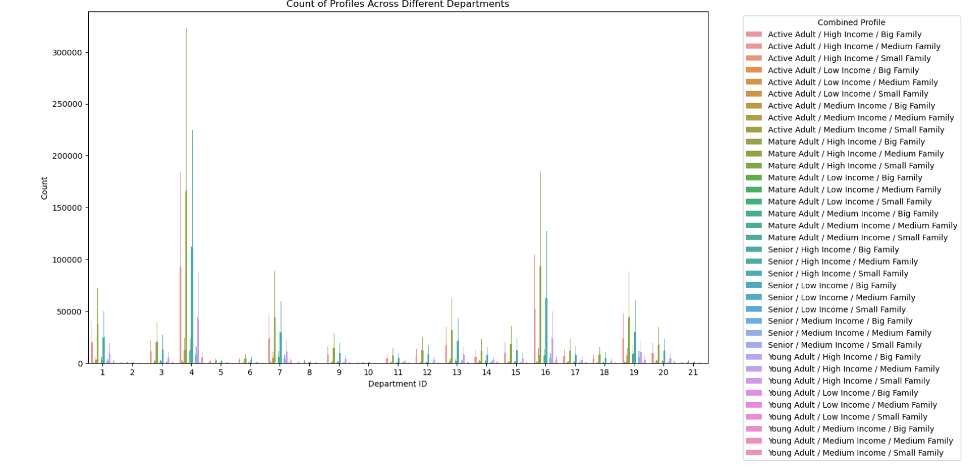
 |  |  |  | Title page

Visualisations

In this tab you should include all the visualtions from Exercises 4.9 and 4.10, alongside the questions from the project brief that they answer. Include any commentary on the relationship between different variables.

FIGURE 1

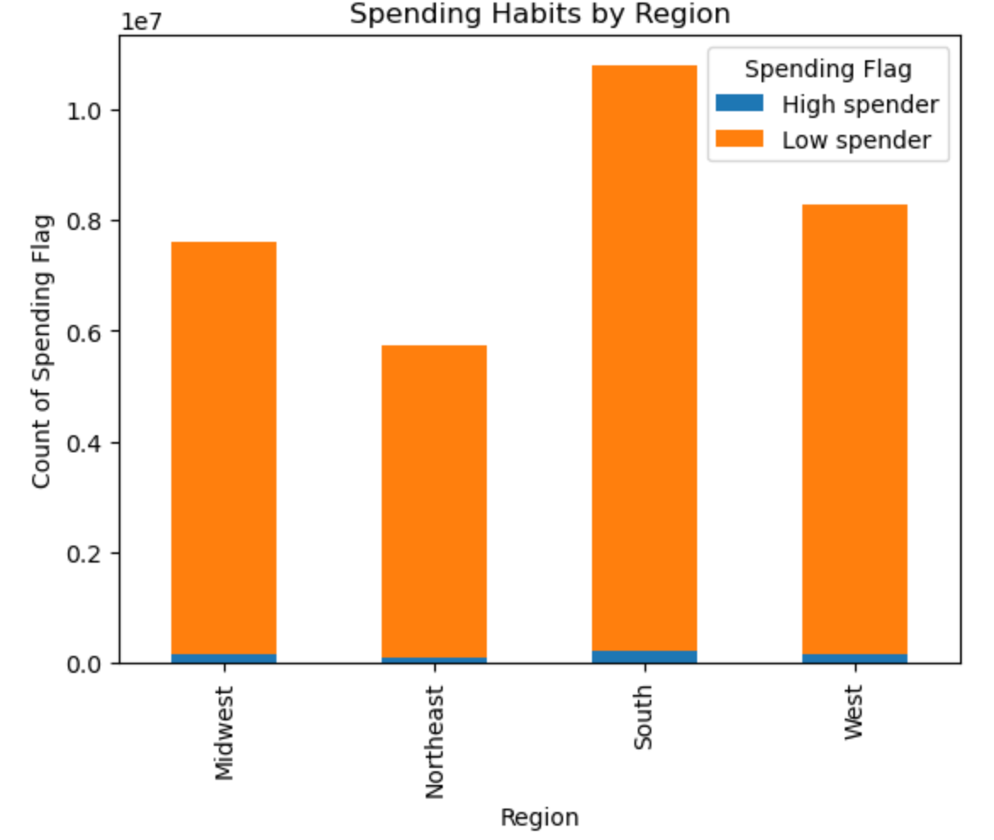
 | High Spend vs. Low Spend across US regions

 | * The bar chart indicates that the majority of customers across all regions are low spenders. The high spender count is relatively insignificant compared to low spenders in every region.
 | * It seems that the South region has the highest number of low spenders, followed by the West and Midwest regions. The Northeast has the lowest count of low spenders.
 | * Despite the overall lower numbers, the pattern of high spending does not show significant regional differences, suggesting that high spenders are consistently low across all regions.

 | RECOMMENDATIONS
 | Implementing loyalty programmes could potentially create more high spenders in all regions;
 | The Northeast market shows growth potential;

ADDITIONAL FIGURE 1
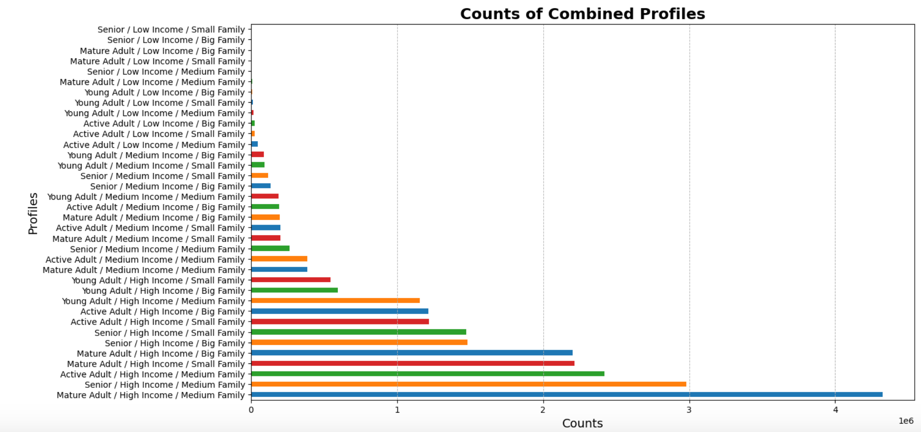

 |  |  | Combined Profiles, based on age, income and number of dependants

 |  |  | * The most counts are of Mature Adults, that is, between 45 and 60, with high income (above 50000) and with a medium household (between 1 and 2 dependants)

 |  |  | # Dependants groups
 |  |  | def dependants_group(n_dependants):
 |  |  | if n_dependants == 0:
 |  |  | return 'Small Family'
 |  |  | elif 1 <= n_dependants <= 2:
 |  |  | return 'Medium Family'
 |  |  | elif n_dependants >=3 :
 |  |  | return 'Big Family'
 |  |  | else:
 |  |  | return 'To check'

 |  |  | # Income groups
 |  |  | def income_group(income):
 |  |  | if income < 30000:
 |  |  | return 'Low Income'
 |  |  | elif 30000 <= income < 50000:
 |  |  | return 'Medium Income'
 |  |  | else:
 |  |  | return 'High Income'

 |  |  | # Age groups
FIGURE 2. Facet Grid of Customer Profiles |  |  | def age_group(age):
 |  |  | if age < 25:
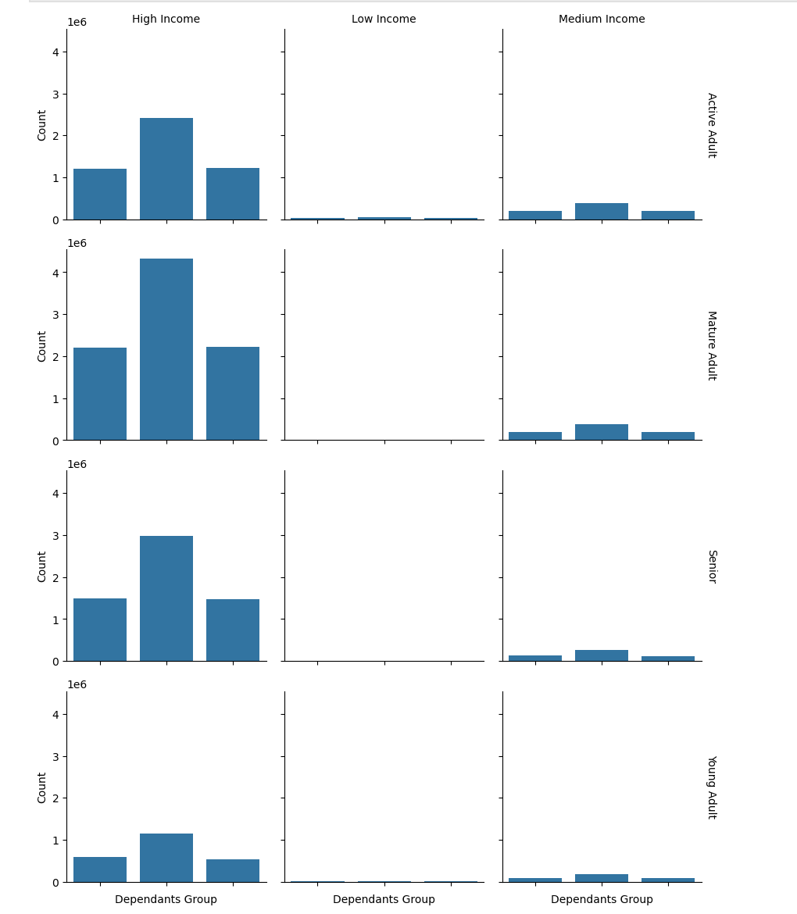
 |  |  | return 'Young Adult'
 |  |  | elif 25 <= age < 40:
 |  |  | return 'Active Adult'
 |  |  | elif 40 <= age < 65:
 |  |  | return 'Mature Adult'
 |  |  | else:
 |  |  | return 'Senior'

 |  |  |  |  | FIGURE 4. Stacked bar chart of customer_profiles
 |  | FIGURE 3. Heatmap of customer profiles
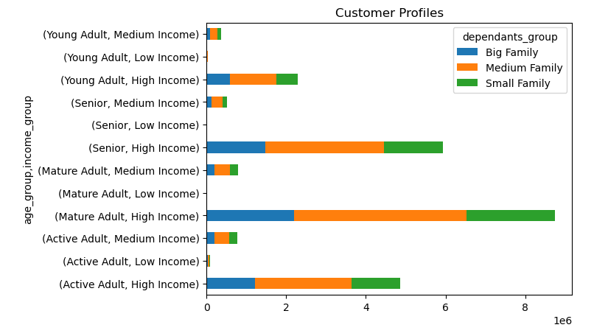
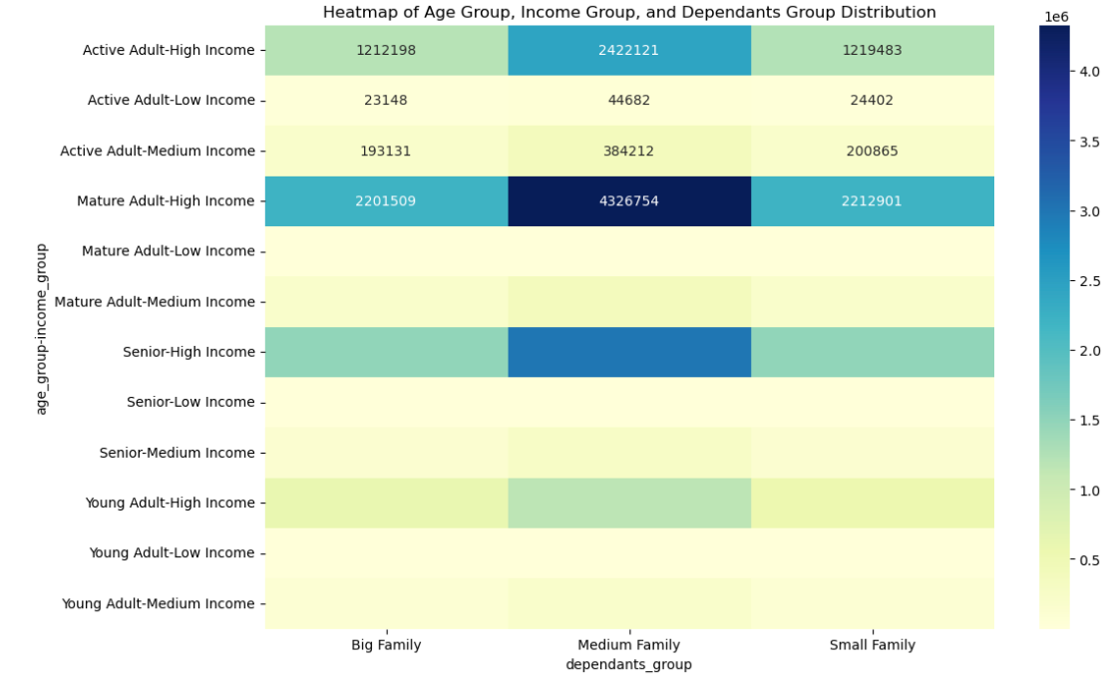

FIGURE 5. Price range by customer profile
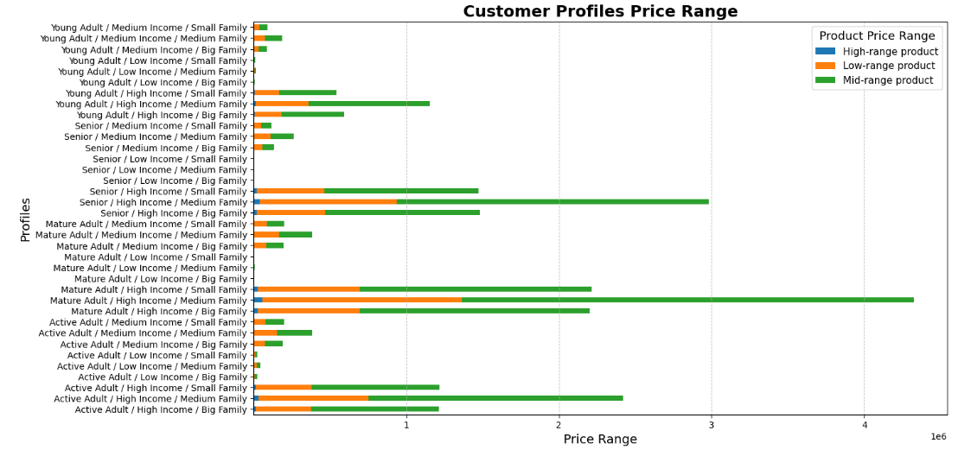

FIGURE 6. Customer frequency

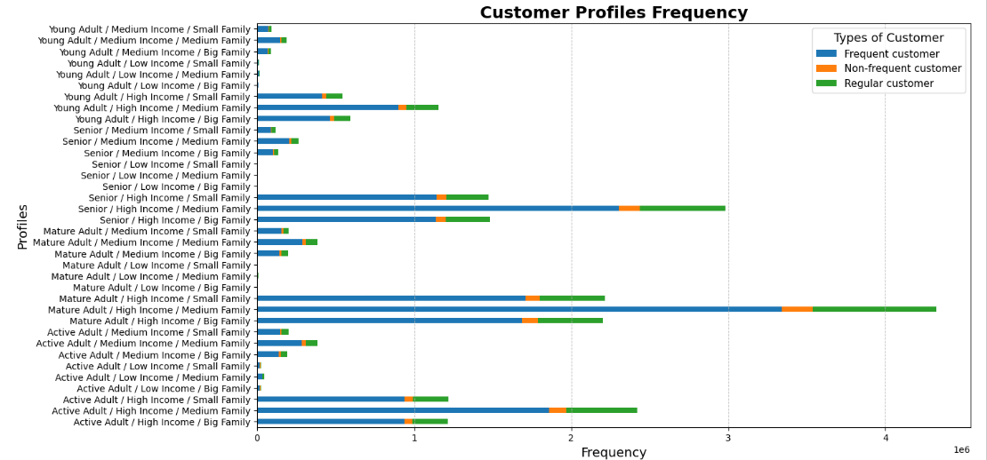

FIGURE 7. Profiles by Region

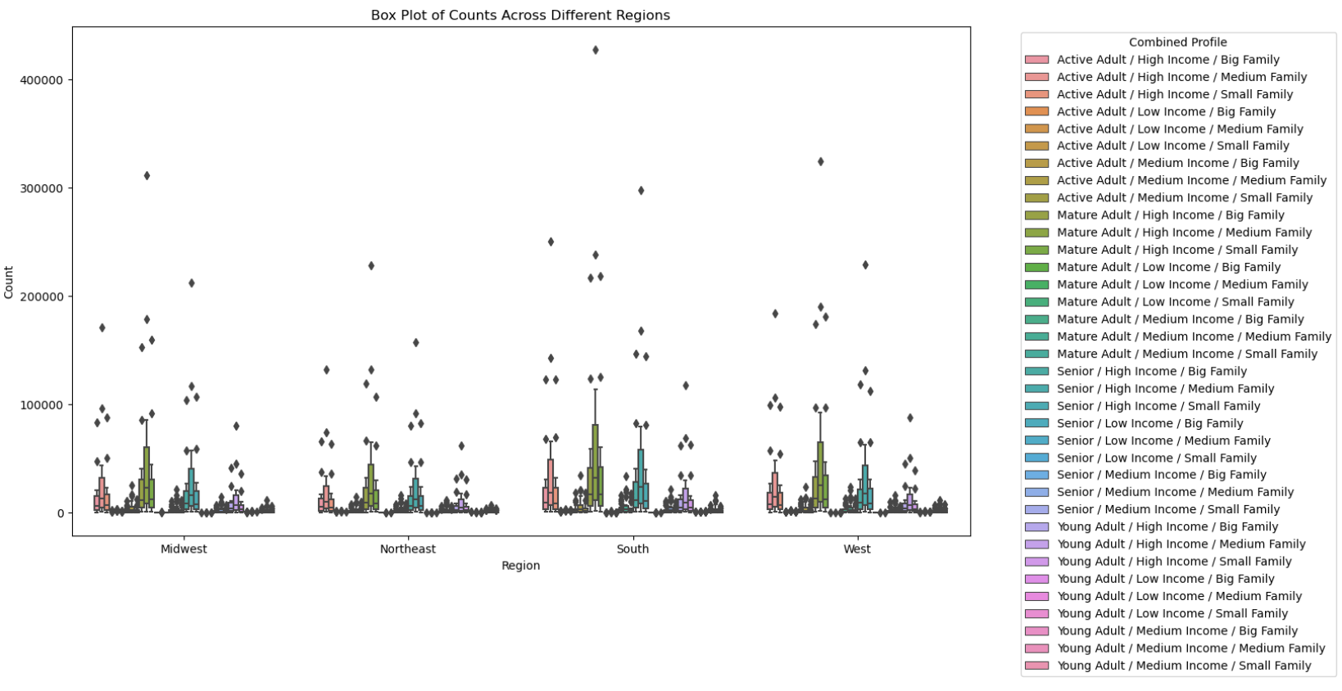

FIGURE 8. Profiles by Department

7. Recommendations
 |  | Title page

Recommendations

In this tab you should include any recommendations you would made to Instcart in terms of their marketing strategy based on the questions posed in the brief. Every key question has been covered in the Tasks of the Exercises - here you need to add an item - a visualisation or table/crosstable that is showing the answer in the data, acompanied by a comment from you. Please, list the questions below and add the answer underneath.

Question | Answer
High Spend vs. Low Spend across US regions | Implementing loyalty programmes could potentially create more high spenders in all regions; The Northeast market shows growth potential.

Predominant Customer Profile | Between 40 and 65, with one or two dependants and income above 50000/y

Most profitable department | 4 --> produce

 | That is followed by: 16, dairy and eggs; 19, snacks; and 7, beverages

 | Among the least profitable departments are bulk(10) and other(2)

Customer profiles by Region | There are similarities across regions

